MDPS12
Chksum2 | Def | FailStat | MsgCount | Serr | ToiActive | ToiFlt | ToiUnavail | OutTq | StrColRq | StrTq
131 | 0 | 1 | 209 | 0 | 1 | 1 | 0 | -204.8 | -1017 | -204.8 | 데이터 요약 : MsgCount만 일정하게 변화, 그에따른 Chksum2값변화만 있다.
61 | 0 | 1 | 210 | 0 | 1 | 1 | 0 | -204.8 | -1017 | -204.8 | OutTq | -204.8
87 | 0 | 1 | 211 | 0 | 1 | 1 | 0 | -204.8 | -1017 | -204.8 | StrColRq | -1017
92 | 0 | 1 | 212 | 0 | 1 | 1 | 0 | -204.8 | -1017 | -204.8 | StrTq | -20.48
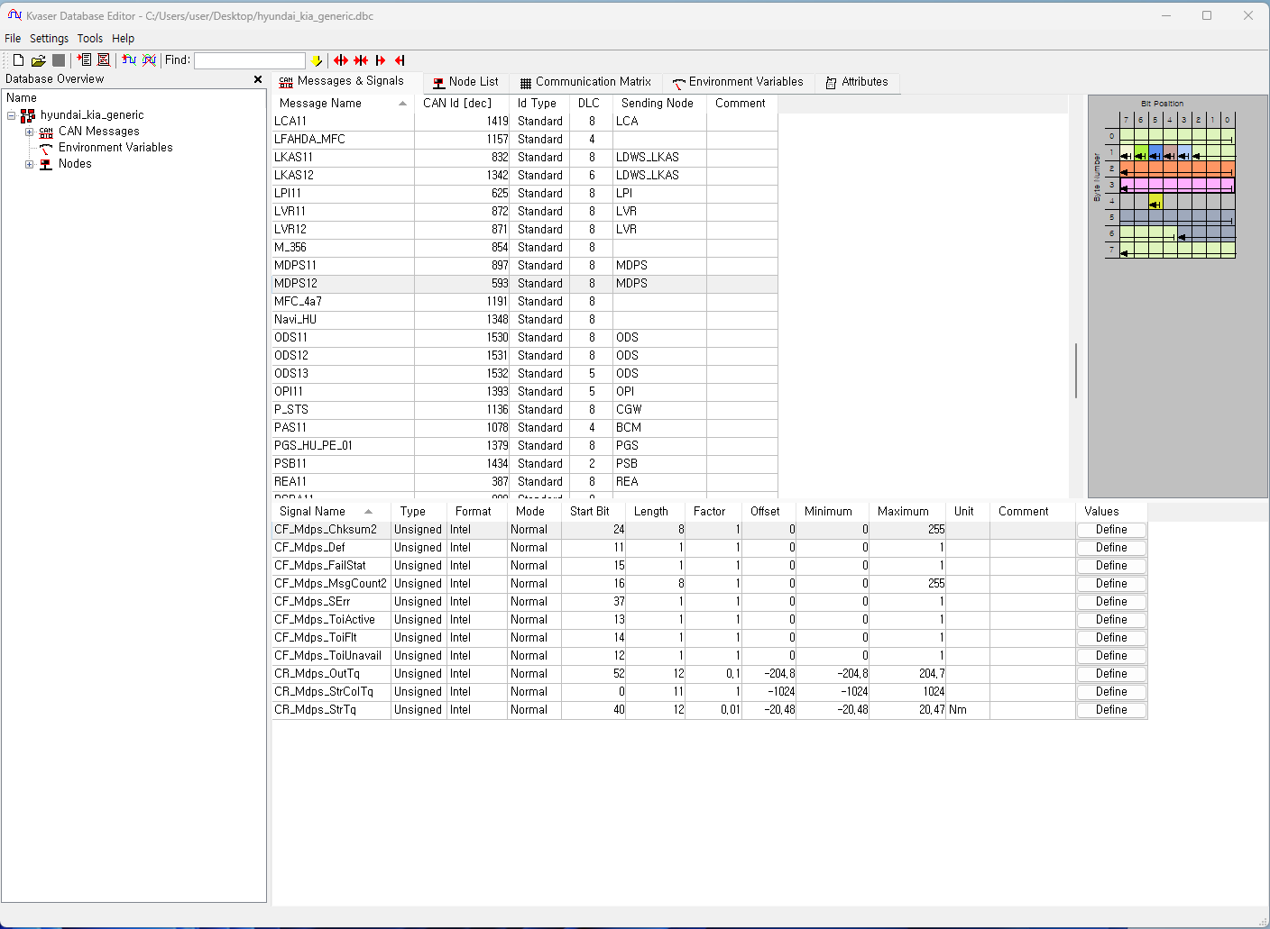
54 | 0 | 1 | 213 | 0 | 1 | 1 | 0 | -204.8 | -1017 | -204.8
136 | 0 | 1 | 214 | 0 | 1 | 1 | 0 | -204.8 | -1017 | -204.8
226 | 0 | 1 | 215 | 0 | 1 | 1 | 0 | -204.8 | -1017 | -204.8
158 | 0 | 1 | 216 | 0 | 1 | 1 | 0 | -204.8 | -1017 | -204.8
244 | 0 | 1 | 217 | 0 | 1 | 1 | 0 | -204.8 | -1017 | -204.8
74 | 0 | 1 | 218 | 0 | 1 | 1 | 0 | -204.8 | -1017 | -204.8
32 | 0 | 1 | 219 | 0 | 1 | 1 | 0 | -204.8 | -1017 | -204.8
43 | 0 | 1 | 220 | 0 | 1 | 1 | 0 | -204.8 | -1017 | -204.8
65 | 0 | 1 | 221 | 0 | 1 | 1 | 0 | -204.8 | -1017 | -204.8
255 | 0 | 1 | 222 | 0 | 1 | 1 | 0 | -204.8 | -1017 | -204.8
149 | 0 | 1 | 223 | 0 | 1 | 1 | 0 | -204.8 | -1017 | -204.8
198 | 0 | 1 | 224 | 0 | 1 | 1 | 0 | -204.8 | -1017 | -204.8
172 | 0 | 1 | 225 | 0 | 1 | 1 | 0 | -204.8 | -1017 | -204.8
18 | 0 | 1 | 226 | 0 | 1 | 1 | 0 | -204.8 | -1017 | -204.8
120 | 0 | 1 | 227 | 0 | 1 | 1 | 0 | -204.8 | -1017 | -204.8
115 | 0 | 1 | 228 | 0 | 1 | 1 | 0 | -204.8 | -1017 | -204.8
25 | 0 | 1 | 229 | 0 | 1 | 1 | 0 | -204.8 | -1017 | -204.8
167 | 0 | 1 | 230 | 0 | 1 | 1 | 0 | -204.8 | -1017 | -204.8
205 | 0 | 1 | 231 | 0 | 1 | 1 | 0 | -204.8 | -1017 | -204.8
177 | 0 | 1 | 232 | 0 | 1 | 1 | 0 | -204.8 | -1017 | -204.8
219 | 0 | 1 | 233 | 0 | 1 | 1 | 0 | -204.8 | -1017 | -204.8
101 | 0 | 1 | 234 | 0 | 1 | 1 | 0 | -204.8 | -1017 | -204.8
15 | 0 | 1 | 235 | 0 | 1 | 1 | 0 | -204.8 | -1017 | -204.8
4 | 0 | 1 | 236 | 0 | 1 | 1 | 0 | -204.8 | -1017 | -204.8
110 | 0 | 1 | 237 | 0 | 1 | 1 | 0 | -204.8 | -1017 | -204.8
208 | 0 | 1 | 238 | 0 | 1 | 1 | 0 | -204.8 | -1017 | -204.8
186 | 0 | 1 | 239 | 0 | 1 | 1 | 0 | -204.8 | -1017 | -204.8
40 | 0 | 1 | 240 | 0 | 1 | 1 | 0 | -204.8 | -1017 | -204.8
66 | 0 | 1 | 241 | 0 | 1 | 1 | 0 | -204.8 | -1017 | -204.8
252 | 0 | 1 | 242 | 0 | 1 | 1 | 0 | -204.8 | -1017 | -204.8
150 | 0 | 1 | 243 | 0 | 1 | 1 | 0 | -204.8 | -1017 | -204.8
157 | 0 | 1 | 244 | 0 | 1 | 1 | 0 | -204.8 | -1017 | -204.8
247 | 0 | 1 | 245 | 0 | 1 | 1 | 0 | -204.8 | -1017 | -204.8
73 | 0 | 1 | 246 | 0 | 1 | 1 | 0 | -204.8 | -1017 | -204.8
35 | 0 | 1 | 247 | 0 | 1 | 1 | 0 | -204.8 | -1017 | -204.8
95 | 0 | 1 | 248 | 0 | 1 | 1 | 0 | -204.8 | -1017 | -204.8
53 | 0 | 1 | 249 | 0 | 1 | 1 | 0 | -204.8 | -1017 | -204.8
139 | 0 | 1 | 250 | 0 | 1 | 1 | 0 | -204.8 | -1017 | -204.8
225 | 0 | 1 | 251 | 0 | 1 | 1 | 0 | -204.8 | -1017 | -204.8
234 | 0 | 1 | 252 | 0 | 1 | 1 | 0 | -204.8 | -1017 | -204.8
128 | 0 | 1 | 253 | 0 | 1 | 1 | 0 | -204.8 | -1017 | -204.8
62 | 0 | 1 | 254 | 0 | 1 | 1 | 0 | -204.8 | -1017 | -204.8
84 | 0 | 1 | 255 | 0 | 1 | 1 | 0 | -204.8 | -1017 | -204.8
187 | 0 | 1 | 0 | 0 | 1 | 1 | 0 | -204.8 | -1017 | -204.8
209 | 0 | 1 | 1 | 0 | 1 | 1 | 0 | -204.8 | -1017 | -204.8
111 | 0 | 1 | 2 | 0 | 1 | 1 | 0 | -204.8 | -1017 | -204.8
5 | 0 | 1 | 3 | 0 | 1 | 1 | 0 | -204.8 | -1017 | -204.8
14 | 0 | 1 | 4 | 0 | 1 | 1 | 0 | -204.8 | -1017 | -204.8
100 | 0 | 1 | 5 | 0 | 1 | 1 | 0 | -204.8 | -1017 | -204.8
218 | 0 | 1 | 6 | 0 | 1 | 1 | 0 | -204.8 | -1017 | -204.8
176 | 0 | 1 | 7 | 0 | 1 | 1 | 0 | -204.8 | -1017 | -204.8
204 | 0 | 1 | 8 | 0 | 1 | 1 | 0 | -204.8 | -1017 | -204.8
166 | 0 | 1 | 9 | 0 | 1 | 1 | 0 | -204.8 | -1017 | -204.8
24 | 0 | 1 | 10 | 0 | 1 | 1 | 0 | -204.8 | -1017 | -204.8
114 | 0 | 1 | 11 | 0 | 1 | 1 | 0 | -204.8 | -1017 | -204.8
121 | 0 | 1 | 12 | 0 | 1 | 1 | 0 | -204.8 | -1017 | -204.8
19 | 0 | 1 | 13 | 0 | 1 | 1 | 0 | -204.8 | -1017 | -204.8
173 | 0 | 1 | 14 | 0 | 1 | 1 | 0 | -204.8 | -1017 | -204.8
199 | 0 | 1 | 15 | 0 | 1 | 1 | 0 | -204.8 | -1017 | -204.8
85 | 0 | 1 | 16 | 0 | 1 | 1 | 0 | -204.8 | -1017 | -204.8
63 | 0 | 1 | 17 | 0 | 1 | 1 | 0 | -204.8 | -1017 | -204.8
129 | 0 | 1 | 18 | 0 | 1 | 1 | 0 | -204.8 | -1017 | -204.8
235 | 0 | 1 | 19 | 0 | 1 | 1 | 0 | -204.8 | -1017 | -204.8
224 | 0 | 1 | 20 | 0 | 1 | 1 | 0 | -204.8 | -1017 | -204.8
138 | 0 | 1 | 21 | 0 | 1 | 1 | 0 | -204.8 | -1017 | -204.8
52 | 0 | 1 | 22 | 0 | 1 | 1 | 0 | -204.8 | -1017 | -204.8
94 | 0 | 1 | 23 | 0 | 1 | 1 | 0 | -204.8 | -1017 | -204.8
34 | 0 | 1 | 24 | 0 | 1 | 1 | 0 | -204.8 | -1017 | -204.8
72 | 0 | 1 | 25 | 0 | 1 | 1 | 0 | -204.8 | -1017 | -204.8
246 | 0 | 1 | 26 | 0 | 1 | 1 | 0 | -204.8 | -1017 | -204.8
156 | 0 | 1 | 27 | 0 | 1 | 1 | 0 | -204.8 | -1017 | -204.8
151 | 0 | 1 | 28 | 0 | 1 | 1 | 0 | -204.8 | -1017 | -204.8
253 | 0 | 1 | 29 | 0 | 1 | 1 | 0 | -204.8 | -1017 | -204.8
67 | 0 | 1 | 30 | 0 | 1 | 1 | 0 | -204.8 | -1017 | -204.8
41 | 0 | 1 | 31 | 0 | 1 | 1 | 0 | -204.8 | -1017 | -204.8
122 | 0 | 1 | 32 | 0 | 1 | 1 | 0 | -204.8 | -1017 | -204.8
16 | 0 | 1 | 33 | 0 | 1 | 1 | 0 | -204.8 | -1017 | -204.8
174 | 0 | 1 | 34 | 0 | 1 | 1 | 0 | -204.8 | -1017 | -204.8
196 | 0 | 1 | 35 | 0 | 1 | 1 | 0 | -204.8 | -1017 | -204.8
207 | 0 | 1 | 36 | 0 | 1 | 1 | 0 | -204.8 | -1017 | -204.8
165 | 0 | 1 | 37 | 0 | 1 | 1 | 0 | -204.8 | -1017 | -204.8
27 | 0 | 1 | 38 | 0 | 1 | 1 | 0 | -204.8 | -1017 | -204.8
113 | 0 | 1 | 39 | 0 | 1 | 1 | 0 | -204.8 | -1017 | -204.8
13 | 0 | 1 | 40 | 0 | 1 | 1 | 0 | -204.8 | -1017 | -204.8
103 | 0 | 1 | 41 | 0 | 1 | 1 | 0 | -204.8 | -1017 | -204.8
217 | 0 | 1 | 42 | 0 | 1 | 1 | 0 | -204.8 | -1017 | -204.8
179 | 0 | 1 | 43 | 0 | 1 | 1 | 0 | -204.8 | -1017 | -204.8
184 | 0 | 1 | 44 | 0 | 1 | 1 | 0 | -204.8 | -1017 | -204.8
210 | 0 | 1 | 45 | 0 | 1 | 1 | 0 | -204.8 | -1017 | -204.8
108 | 0 | 1 | 46 | 0 | 1 | 1 | 0 | -204.8 | -1017 | -204.8
6 | 0 | 1 | 47 | 0 | 1 | 1 | 0 | -204.8 | -1017 | -204.8
148 | 0 | 1 | 48 | 0 | 1 | 1 | 0 | -204.8 | -1017 | -204.8
254 | 0 | 1 | 49 | 0 | 1 | 1 | 0 | -204.8 | -1017 | -204.8
64 | 0 | 1 | 50 | 0 | 1 | 1 | 0 | -204.8 | -1017 | -204.8
42 | 0 | 1 | 51 | 0 | 1 | 1 | 0 | -204.8 | -1017 | -204.8
33 | 0 | 1 | 52 | 0 | 1 | 1 | 0 | -204.8 | -1017 | -204.8
75 | 0 | 1 | 53 | 0 | 1 | 1 | 0 | -204.8 | -1017 | -204.8
245 | 0 | 1 | 54 | 0 | 1 | 1 | 0 | -204.8 | -1017 | -204.8
159 | 0 | 1 | 55 | 0 | 1 | 1 | 0 | -204.8 | -1017 | -204.8
227 | 0 | 1 | 56 | 0 | 1 | 1 | 0 | -204.8 | -1017 | -204.8
137 | 0 | 1 | 57 | 0 | 1 | 1 | 0 | -204.8 | -1017 | -204.8
55 | 0 | 1 | 58 | 0 | 1 | 1 | 0 | -204.8 | -1017 | -204.8
93 | 0 | 1 | 59 | 0 | 1 | 1 | 0 | -204.8 | -1017 | -204.8
86 | 0 | 1 | 60 | 0 | 1 | 1 | 0 | -204.8 | -1017 | -204.8
60 | 0 | 1 | 61 | 0 | 1 | 1 | 0 | -204.8 | -1017 | -204.8
130 | 0 | 1 | 62 | 0 | 1 | 1 | 0 | -204.8 | -1017 | -204.8
232 | 0 | 1 | 63 | 0 | 1 | 1 | 0 | -204.8 | -1017 | -204.8
36 | 0 | 1 | 64 | 0 | 1 | 1 | 0 | -204.8 | -1017 | -204.8
78 | 0 | 1 | 65 | 0 | 1 | 1 | 0 | -204.8 | -1017 | -204.8
240 | 0 | 1 | 66 | 0 | 1 | 1 | 0 | -204.8 | -1017 | -204.8
154 | 0 | 1 | 67 | 0 | 1 | 1 | 0 | -204.8 | -1017 | -204.8
145 | 0 | 1 | 68 | 0 | 1 | 1 | 0 | -204.8 | -1017 | -204.8
251 | 0 | 1 | 69 | 0 | 1 | 1 | 0 | -204.8 | -1017 | -204.8
69 | 0 | 1 | 70 | 0 | 1 | 1 | 0 | -204.8 | -1017 | -204.8
47 | 0 | 1 | 71 | 0 | 1 | 1 | 0 | -204.8 | -1017 | -204.8
83 | 0 | 1 | 72 | 0 | 1 | 1 | 0 | -204.8 | -1017 | -204.8
57 | 0 | 1 | 73 | 0 | 1 | 1 | 0 | -204.8 | -1017 | -204.8
135 | 0 | 1 | 74 | 0 | 1 | 1 | 0 | -204.8 | -1017 | -204.8
237 | 0 | 1 | 75 | 0 | 1 | 1 | 0 | -204.8 | -1017 | -204.8
230 | 0 | 1 | 76 | 0 | 1 | 1 | 0 | -204.8 | -1017 | -204.8
140 | 0 | 1 | 77 | 0 | 1 | 1 | 0 | -204.8 | -1017 | -204.8
50 | 0 | 1 | 78 | 0 | 1 | 1 | 0 | -204.8 | -1017 | -204.8
88 | 0 | 1 | 79 | 0 | 1 | 1 | 0 | -204.8 | -1017 | -204.8
202 | 0 | 1 | 80 | 0 | 1 | 1 | 0 | -204.8 | -1017 | -204.8
160 | 0 | 1 | 81 | 0 | 1 | 1 | 0 | -204.8 | -1017 | -204.8
30 | 0 | 1 | 82 | 0 | 1 | 1 | 0 | -204.8 | -1017 | -204.8
116 | 0 | 1 | 83 | 0 | 1 | 1 | 0 | -204.8 | -1017 | -204.8
127 | 0 | 1 | 84 | 0 | 1 | 1 | 0 | -204.8 | -1017 | -204.8
21 | 0 | 1 | 85 | 0 | 1 | 1 | 0 | -204.8 | -1017 | -204.8
171 | 0 | 1 | 86 | 0 | 1 | 1 | 0 | -204.8 | -1017 | -204.8
193 | 0 | 1 | 87 | 0 | 1 | 1 | 0 | -204.8 | -1017 | -204.8
189 | 0 | 1 | 88 | 0 | 1 | 1 | 0 | -204.8 | -1017 | -204.8
215 | 0 | 1 | 89 | 0 | 1 | 1 | 0 | -204.8 | -1017 | -204.8
105 | 0 | 1 | 90 | 0 | 1 | 1 | 0 | -204.8 | -1017 | -204.8
3 | 0 | 1 | 91 | 0 | 1 | 1 | 0 | -204.8 | -1017 | -204.8
8 | 0 | 1 | 92 | 0 | 1 | 1 | 0 | -204.8 | -1017 | -204.8
98 | 0 | 1 | 93 | 0 | 1 | 1 | 0 | -204.8 | -1017 | -204.8
220 | 0 | 1 | 94 | 0 | 1 | 1 | 0 | -204.8 | -1017 | -204.8
182 | 0 | 1 | 95 | 0 | 1 | 1 | 0 | -204.8 | -1017 | -204.8
229 | 0 | 1 | 96 | 0 | 1 | 1 | 0 | -204.8 | -1017 | -204.8
143 | 0 | 1 | 97 | 0 | 1 | 1 | 0 | -204.8 | -1017 | -204.8
49 | 0 | 1 | 98 | 0 | 1 | 1 | 0 | -204.8 | -1017 | -204.8
91 | 0 | 1 | 99 | 0 | 1 | 1 | 0 | -204.8 | -1017 | -204.8
80 | 0 | 1 | 100 | 0 | 1 | 1 | 0 | -204.8 | -1017 | -204.8
58 | 0 | 1 | 101 | 0 | 1 | 1 | 0 | -204.8 | -1017 | -204.8
132 | 0 | 1 | 102 | 0 | 1 | 1 | 0 | -204.8 | -1017 | -204.8
238 | 0 | 1 | 103 | 0 | 1 | 1 | 0 | -204.8 | -1017 | -204.8
146 | 0 | 1 | 104 | 0 | 1 | 1 | 0 | -204.8 | -1017 | -204.8
248 | 0 | 1 | 105 | 0 | 1 | 1 | 0 | -204.8 | -1017 | -204.8
70 | 0 | 1 | 106 | 0 | 1 | 1 | 0 | -204.8 | -1017 | -204.8
44 | 0 | 1 | 107 | 0 | 1 | 1 | 0 | -204.8 | -1017 | -204.8
39 | 0 | 1 | 108 | 0 | 1 | 1 | 0 | -204.8 | -1017 | -204.8
77 | 0 | 1 | 109 | 0 | 1 | 1 | 0 | -204.8 | -1017 | -204.8
243 | 0 | 1 | 110 | 0 | 1 | 1 | 0 | -204.8 | -1017 | -204.8
153 | 0 | 1 | 111 | 0 | 1 | 1 | 0 | -204.8 | -1017 | -204.8
11 | 0 | 1 | 112 | 0 | 1 | 1 | 0 | -204.8 | -1017 | -204.8
97 | 0 | 1 | 113 | 0 | 1 | 1 | 0 | -204.8 | -1017 | -204.8
223 | 0 | 1 | 114 | 0 | 1 | 1 | 0 | -204.8 | -1017 | -204.8
181 | 0 | 1 | 115 | 0 | 1 | 1 | 0 | -204.8 | -1017 | -204.8
190 | 0 | 1 | 116 | 0 | 1 | 1 | 0 | -204.8 | -1017 | -204.8
212 | 0 | 1 | 117 | 0 | 1 | 1 | 0 | -204.8 | -1017 | -204.8
106 | 0 | 1 | 118 | 0 | 1 | 1 | 0 | -204.8 | -1017 | -204.8
0 | 0 | 1 | 119 | 0 | 1 | 1 | 0 | -204.8 | -1017 | -204.8
124 | 0 | 1 | 120 | 0 | 1 | 1 | 0 | -204.8 | -1017 | -204.8
22 | 0 | 1 | 121 | 0 | 1 | 1 | 0 | -204.8 | -1017 | -204.8
168 | 0 | 1 | 122 | 0 | 1 | 1 | 0 | -204.8 | -1017 | -204.8
194 | 0 | 1 | 123 | 0 | 1 | 1 | 0 | -204.8 | -1017 | -204.8
201 | 0 | 1 | 124 | 0 | 1 | 1 | 0 | -204.8 | -1017 | -204.8
...

